Worksheet
 |  | Spring Summer
 |  |  |  |  |  |  |  | 3031
IMAGE | SKU | PRODUCT | GROUP | COLOR | COMPOSITION | MADE_IN | RETAIL PRICE | TOT.QTY | TU | XS | S | M | L | 36 | 36.5 | 37 | 37.5 | 38 | 38.5 | 39 | 39.5 | 40 | 41 | 42 | 44 | 46 | 48 | 50
 | GCD272B744F8320000_8154 | BLAZER | Clothing | GREY | 100%WV | IT | € 750.00 | 1 |  |  |  |  |  |  |  |  |  |  |  |  |  |  |  |  |  | 1
 | GCD272B749F8320000_8154 | BLAZER | Clothing | GREY | 100%WV | IT | € 740.00 | 1 |  |  |  |  |  |  |  |  |  |  |  |  |  |  |  |  | 1
 | GCD272W227I3580000_6138 | BLAZER | Clothing | GREEN | 98%CO 2%EA | IT | € 465.00 | 1 |  |  |  |  |  |  |  |  |  |  |  |  |  |  |  |  |  | 1
 | GCD272W237I3580000_3032 | BLAZER | Clothing | RED | 98%CO 2%EA | IT | € 620.00 | 1 |  |  |  |  |  |  |  |  |  |  |  |  |  | 1
 | GCD272W237I3580000_5131 | BLAZER | Clothing | BLUE | 98%CO 2%EA | IT | € 620.00 | 1 |  |  |  |  |  |  |  |  |  |  |  |  |  |  |  |  | 1
 | PLD272B790F7910000_VR2 | BLAZER | Clothing | BLUE | 100% LE | IT | € 1670.00 | 1 |  |  |  |  |  |  |  |  |  |  |  |  |  | 1
 | PLD272B792F7920000_8110 | BLAZER | Clothing | GREY | 100% CALF LE | IT | € 1900.00 | 1 |  |  |  |  |  |  |  |  |  |  |  |  |  |  |  |  |  | 1
 | GCD272W214D2800000_825 | BOMBER | Clothing | BLACK | 100%CO | IT | € 560.00 | 1 |  |  |  |  |  |  |  |  |  |  |  |  |  |  |  |  | 1
 | PLD271W271F2620000_8154 | BOMBER | Clothing | GREY | 100% LE | IT | € 1880.00 | 1 |  |  |  |  |  |  |  |  |  |  |  |  |  |  |  |  | 1
 | PLD272W282I3870000_8168 | BOMBER | Clothing | GREY | 100% LE | IT | € 1770.00 | 1 |  |  |  |  |  |  |  |  |  |  |  |  |  |  |  |  | 1
 | SAD272W442D3250000_VR2 | CAPE | Clothing | GREY | 52%ME 48%NY | IT | € 420.00 | 1 | 1
 | MAD272B652F7080000_VR3 | CARDIGAN | Clothing | BLACK | 35%WP 33%WM 30%PA 1%PL 1%ME | IT | € 825.00 | 1 |  |  |  |  |  |  |  |  |  |  |  |  |  | 1
 | MAD272W006V6110000_8132 | CARDIGAN | Clothing | GREY | 55%WV 40%CO 5%WS | IT | € 480.00 | 1 |  |  |  |  |  |  |  |  |  |  |  |  |  |  |  |  |  |  | 1
 | MAD272W034D2900000_1238 | CARDIGAN | Clothing | BROWN | 100%CO | IT | € 555.00 | 1 |  |  |  |  |  |  |  |  |  |  |  |  |  |  |  |  |  | 1
 | MAD272W034D2900000_5131 | CARDIGAN | Clothing | BLUE | 100%CO | IT | € 555.00 | 1 |  |  |  |  |  |  |  |  |  |  |  |  |  |  |  | 1
 | MAD272W052D2900000_8154 | CARDIGAN | Clothing | GREY | 100% CO | IT | € 550.00 | 1 |  |  |  |  |  |  |  |  |  | 1
 | MAD272W065D3250000_VR1 | CARDIGAN | Clothing | YELLOW | 52%ME 48%NY | IT | € 490.00 | 1 |  |  |  |  |  |  |  |  |  |  |  |  |  |  |  |  | 1
 | MAD272W075I2360000_VR3 | CARDIGAN | Clothing | BROWN | 64%LI 36%VI | IT | € 425.00 | 1 |  |  |  |  |  |  |  |  |  |  |  |  |  |  |  | 1
 | MAD272W094I2430000_075 | CARDIGAN | Clothing | WHITE | 100% CO | IT | € 495.00 | 1 |  |  |  |  |  |  |  |  |  |  |  |  |  |  |  |  | 1
 | MAD272W094I2430000_6138 | CARDIGAN | Clothing | GREEN | 100% CO | IT | € 495.00 | 1 |  |  |  |  |  |  |  |  |  |  |  |  |  |  |  | 1
 | MAD272W094I2430000_825 | CARDIGAN | Clothing | BLACK | 100%CO | IT | € 495.00 | 1 |  |  |  |  |  |  |  |  |  |  |  |  |  |  |  | 1
 | CTD272W248I3720000_0130 | COAT | Clothing | BEIGE | 100%PL | IT | € 780.00 | 1 |  |  |  |  |  |  |  |  |  |  |  |  |  |  |  | 1
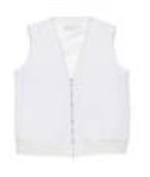 | CTD272W251I3700000_0130 | COAT | Clothing | BEIGE | 100%PL | IT | € 485.00 | 1 |  |  |  |  |  |  |  |  |  |  |  |  |  |  |  |  |  |  |  | 1
 | CTD272W255V5330000_8154 | COAT | Clothing | GREY | 88%WV 10%SE 2%PA | IT | € 1090.00 | 1 |  |  |  |  |  |  |  |  |  |  |  |  |  |  |  |  |  |  | 1
 | CTD272W263I4850000_VRU | COAT | Clothing | BLUE | 100%CO | IT | € 430.00 | 1 |  |  |  |  |  |  |  |  |  | 1
 | CTD272W266D2600000_21 | COAT | Clothing | WHITE | 100%PL | IT | € 680.00 | 1 |  |  |  |  |  |  |  |  |  |  |  |  |  |  |  |  | 1
 | ABD271W165D2520000_21 | DRESS | Clothing | WHITE | 100%CO | IT | € 495.00 | 1 |  |  |  |  |  |  |  |  |  |  |  |  |  |  |  |  | 1
 | ABD271W178F2400000_8154 | DRESS | Clothing | GREY | 100%LI | IT | € 685.00 | 1 |  |  |  |  |  |  |  |  |  | 1
 | ABD271W190D2550000_VR2 | DRESS | Clothing | RED | 63%VI 37%SE | IT | € 645.00 | 1 |  |  |  |  |  |  |  |  |  |  |  |  |  | 1
 | ABD272B731F7550000_825 | DRESS | Clothing | BLACK | 100%PL | IT | € 940.00 | 1 |  |  |  |  |  |  |  |  |  |  |  |  |  |  |  | 1
 | ABD272W159I3220000_VR3 | DRESS | Clothing | YELLOW | 68%CO 25%VI 7%PL | IT | € 495.00 | 1 |  |  |  |  |  |  |  |  |  | 1
 | ABD272W161D3660000_756 | DRESS | Clothing | YELLOW | 100%CO | IT | € 590.00 | 1 |  |  |  |  |  |  |  |  |  |  |  |  |  |  |  | 1
 | ABD272W168D2800000_8132 | DRESS | Clothing | GREY | 100%CO | IT | € 380.00 | 1 |  |  |  |  |  |  |  |  |  |  |  |  |  |  |  | 1
 | ABD272W185I4860000_2169 | DRESS | Clothing | PINK | 74%AC 26%SE | IT | € 695.00 | 1 |  |  |  |  |  |  |  |  |  |  |  |  |  |  |  | 1
 | ABD272W185I4860000_825 | DRESS | Clothing | BLACK | 74%AC 26%SE | IT | € 695.00 | 1 |  |  |  |  |  |  |  |  |  |  |  |  |  |  |  |  | 1
 | ABD272W192D3650000_0128 | DRESS | Clothing | BEIGE | 66%LI 32%CO 2%EA | IT | € 625.00 | 1 |  |  |  |  |  |  |  |  |  |  |  |  |  | 1
 | ABD272W192D3650000_21 | DRESS | Clothing | WHITE | 66%LI 32%CO 2%EA | IT | € 625.00 | 1 |  |  |  |  |  |  |  |  |  |  |  |  |  | 1
 | GCD271W510F2450000_VR7 | JACKET | Clothing | GREY | 94%CO 6%EA | IT | € 295.00 | 1 |  |  |  |  |  |  |  |  |  |  |  |  |  |  |  |  |  | 1
 | GCD271W510F2450000_VR9 | JACKET | Clothing | GREY | 94%CO 6%EA | IT | € 295.00 | 1 |  |  |  |  |  |  |  |  |  |  |  |  |  | 1
 | GCD272B765F7570000_5134 | JACKET | Clothing | BLUE | 97%VI 3%LY | IT | € 775.00 | 1 |  |  |  |  |  |  |  |  |  |  |  |  |  |  |  |  | 1
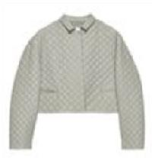 | PLD272W284I3880000_8168 | JACKET | Clothing | GREY | 100% LE | IT | € 1690.00 | 1 |  |  |  |  |  |  |  |  |  |  |  |  |  | 1
 | ABD272W186I4860000_2169 | JUMPSUIT | Clothing | PINK | 74%AC 26%SE | IT | € 885.00 | 1 |  |  |  |  |  |  |  |  |  |  |  |  |  | 1
 | PAD271B783C7350000_6130 | PANT | Clothing | GREEN | 100%WV | IT | € 370.00 | 1 |  |  |  |  |  |  |  |  |  |  |  |  |  |  |  |  |  |  | 1
 | PAD271W330V6110000_8116 | PANT | Clothing | GREY | 55%WV 40%CO 5%WS | IT | € 420.00 | 1 |  |  |  |  |  |  |  |  |  |  |  |  |  | 1
 | PAD272W340V6110000_825 | PANT | Clothing | BLACK | 55%WV 40%CO 5%WS | IT | € 440.00 | 1 |  |  |  |  |  |  |  |  |  | 1
 | PAD272W341D2900000_8154 | PANT | Clothing | GREY | 100%CO | IT | € 385.00 | 1 |  |  |  |  |  |  |  |  |  |  |  |  |  |  |  |  |  |  | 1
 | PAD272W343I2270000_VR5 | PANT | Clothing | BROWN | 69%CO 24%VI 7%PL | IT | € 450.00 | 1 |  |  |  |  |  |  |  |  |  |  |  |  |  |  |  |  |  | 1
 | PAD272W361I3580000_2169 | PANT | Clothing | PINK | 98%CO 2%EA | IT | € 275.00 | 1 |  |  |  |  |  |  |  |  |  |  |  |  |  |  |  | 1
 | PAD272W363I4450000_2169 | PANT | Clothing | PINK | 98%CO 2%EA | IT | € 340.00 | 1 |  |  |  |  |  |  |  |  |  |  |  |  |  |  |  |  |  |  | 1
 | PAD272W363I4450000_6137 | PANT | Clothing | GREEN | 98%CO 2%EA | IT | € 340.00 | 1 |  |  |  |  |  |  |  |  |  |  |  |  |  | 1
 | PAD272W363I4450000_6138 | PANT | Clothing | GREEN | 98%CO 2%EA | IT | € 340.00 | 1 |  |  |  |  |  |  |  |  |  |  |  |  |  |  |  |  | 1
 | PAD272W377D3650000_0128 | PANT | Clothing | BEIGE | 66%LI 32%CO 2%EA | IT | € 525.00 | 1 |  |  |  |  |  |  |  |  |  |  |  |  |  |  |  |  | 1
 | PAD272W382D2970000_2169 | PANT | Clothing | PINK | 57%AC 43%SE | IT | € 470.00 | 1 |  |  |  |  |  |  |  |  |  |  |  |  |  |  |  |  | 1
 | PAD272W382D2970000_3032 | PANT | Clothing | RED | 57%AC 43%SE | IT | € 470.00 | 1 |  |  |  |  |  |  |  |  |  |  |  |  |  |  |  |  |  |  | 1
 | PAD272W398D3990000_825 | PANT | Clothing | BLACK | 64%VI 36%LI | IT | € 490.00 | 1 |  |  |  |  |  |  |  |  |  |  |  |  |  |  |  |  |  | 1
 | CAD272W317D2520000_8154 | SHIRT | Clothing | GREY | 100%CO | IT | € 515.00 | 1 |  |  |  |  |  | 1
 | PAD272W344I2260000_VR2 | SHORTS | Clothing | PINK | 66%CO 26%VI 8%PL | IT | € 270.00 | 1 |  |  |  |  |  |  |  |  |  |  |  |  |  | 1
 | PAD272W344I2260000_VR4 | SHORTS | Clothing | GREY | 66%CO 26%VI 8%PL | IT | € 270.00 | 1 |  |  |  |  |  |  |  |  |  | 1
 | PAD272W344I2260000_VR5 | SHORTS | Clothing | GREY | 66%CO 26%VI 8%PL | IT | € 270.00 | 1 |  |  |  |  |  |  |  |  |  |  |  |  |  |  |  | 1
 | PAD272W375D3800000_6138 | SHORTS | Clothing | GREEN | 92%CO 8%SE | IT | € 295.00 | 1 |  |  |  |  |  |  |  |  |  |  |  |  |  |  |  |  | 1
 | GND271W428F3150000_21 | SKIRT | Clothing | WHITE | 80%CO 20%PA | IT | € 555.00 | 1 |  |  |  |  |  |  |  |  |  |  |  |  |  | 1
 | GND272W408D2520000_765 | SKIRT | Clothing | YELLOW | 100%CO | IT | € 320.00 | 1 |  |  |  |  |  |  |  |  |  |  |  |  |  |  |  |  |  |  | 1
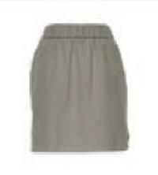 | GND272W411D2520000_8154 | SKIRT | Clothing | GREY | 100%CO | IT | € 265.00 | 1 |  |  |  |  |  |  |  |  |  |  |  |  |  |  |  |  |  |  | 1
 | MAD271W014F1820000_1222 | SWEATER | Clothing | BROWN | 100%CO | IT | € 255.00 | 1 |  |  |  |  |  |  |  |  |  |  |  |  |  | 1
 | MAD272B600F7000000_2168 | SWEATER | Clothing | PINK | 100%WS | IT | € 295.00 | 1 |  |  |  |  |  |  |  |  |  |  |  |  |  | 1
 | MAD272B600F7000000_4026 | SWEATER | Clothing | ORANGE | 100%WS | IT | € 295.00 | 1 |  |  |  |  |  |  |  |  |  | 1
 | MAD272B601F7000000_767 | SWEATER | Clothing | YELLOW | 100%WS | IT | € 340.00 | 1 |  |  |  |  |  |  |  |  |  |  |  |  |  | 1
 | MAD272B601F7000000_8154 | SWEATER | Clothing | GREY | 100%WS | IT | € 340.00 | 1 |  |  |  |  |  |  |  |  |  |  |  |  |  | 1
 | MAD272B602F7000000_VR1 | SWEATER | Clothing | WHITE | 100%WS | IT | € 395.00 | 1 |  |  | 1
 | MAD272B604F7000000_25 | SWEATER | Clothing | WHITE | 100%WS | IT | € 390.00 | 1 |  |  |  |  |  |  |  |  |  |  |  |  |  |  |  |  |  |  |  | 1
 | MAD272B604F7000000_6140 | SWEATER | Clothing | GREEN | 100%WS | IT | € 390.00 | 1 |  |  |  |  |  |  |  |  |  |  |  |  |  | 1
 | MAD272B619N8210000_25 | SWEATER | Clothing | WHITE | 55% SE 45% CO | IT | € 510.00 | 1 |  |  |  |  |  |  |  |  |  |  |  |  |  |  |  | 1
 | MAD272B669F7120000_VR3 | SWEATER | Clothing | BLACK | 45%LI 29%WM 25%CO 1%PL | IT | € 840.00 | 1 |  |  |  |  | 1
 | MAD272W005V6110000_8132 | SWEATER | Clothing | GREY | 55%WV 40%CO 5%WS | IT | € 380.00 | 1 |  |  |  |  |  |  |  |  |  |  |  |  |  |  |  |  |  | 1
 | MAD272W019D2900000_8154 | SWEATER | Clothing | GREY | 100% CO | IT | € 390.00 | 1 |  |  |  |  |  |  |  |  |  |  |  |  |  |  |  |  |  |  |  | 1
 | MAD272W028D2900000_5131 | SWEATER | Clothing | BLUE | 100%CO | IT | € 315.00 | 1 |  |  |  |  |  |  |  |  |  |  |  |  |  | 1
 | MAD272W028D2900000_8154 | SWEATER | Clothing | GREY | 100%CO | IT | € 315.00 | 1 |  |  |  |  |  |  |  |  |  |  |  |  |  |  |  |  | 1
 | MAD272W033D2900000_825 | SWEATER | Clothing | BLACK | 100%CO | IT | € 435.00 | 1 |  |  |  |  |  |  |  |  |  | 1
 | MAD272W045D2900000_21 | SWEATER | Clothing | WHITE | 100%CO | IT | € 340.00 | 1 |  |  |  |  |  |  |  |  |  |  |  |  |  |  |  |  |  |  |  | 1
 | MAD272W051I2310000_VR5 | SWEATER | Clothing | BROWN | 100%CO | IT | € 340.00 | 1 |  |  |  |  |  |  |  |  |  |  |  |  |  | 1
 | MAD272W058D3590000_3032 | SWEATER | Clothing | RED | 83%VI 17%PL | IT | € 295.00 | 1 |  |  |  |  |  |  |  |  |  |  |  |  |  | 1
 | MAD272W077D3660000_0111 | SWEATER | Clothing | BEIGE | 100%CO | IT | € 345.00 | 1 |  |  |  |  |  |  |  |  |  |  |  |  |  |  |  |  | 1
 | MAD272W081D3660000_0111 | SWEATER | Clothing | BEIGE | 100%CO | IT | € 380.00 | 1 |  |  |  |  |  |  |  |  |  |  |  |  |  |  |  |  | 1
 | MAD272W082D3660000_4023 | SWEATER | Clothing | ORANGE | 100%CO | IT | € 420.00 | 1 |  |  |  | 1
 | MAD272W093I2430000_075 | SWEATER | Clothing | WHITE | 100%CO | IT | € 480.00 | 1 |  |  |  |  |  |  |  |  |  |  |  |  |  |  |  | 1
 | JED272W114D3230000_3032 | TANK TOP | Clothing | RED | 100%CO | IT | € 320.00 | 1 |  |  |  |  |  |  |  |  |  |  |  |  |  |  |  |  |  | 1
 | JED272W135I2850000_VR14 | TANK TOP | Clothing | YELLOW | 94%CO 6%EA | IT | € 275.00 | 1 |  |  |  |  |  |  |  |  |  |  |  |  |  |  |  |  |  |  | 1
 | JED272W135I2850000_VR5 | TANK TOP | Clothing | BLACK | 94%CO 6%EA | IT | € 275.00 | 1 |  |  |  |  |  |  |  |  |  |  |  |  |  | 1
 | JED272W135I2850000_VR9 | TANK TOP | Clothing | WHITE | 94%CO 6%EA | IT | € 275.00 | 1 |  |  |  |  |  |  |  |  |  |  |  |  |  |  |  | 1
 | MAD272W050D2900000_3032 | TANK TOP | Clothing | RED | 100% CO | IT | € 390.00 | 9 |  |  |  |  |  |  |  |  |  | 2 |  |  |  | 4 |  | 1 | 2
 | TPD271W294V4240000_21 | TOP | Clothing | WHITE | 57%AC 43%SE | IT | € 250.00 | 1 |  |  |  |  |  |  |  |  |  | 1
 | TPD272B813D3960000_25 | TOP | Clothing | WHITE | 64%SE 36%PA | IT | € 420.00 | 1 |  |  |  |  |  |  |  |  |  |  |  |  |  |  |  | 1
 | TPD272W287D3770000_061 | TOP | Clothing | WHITE | 100%VI | IT | € 355.00 | 1 |  |  |  |  |  |  |  |  |  |  |  |  |  |  |  |  | 1
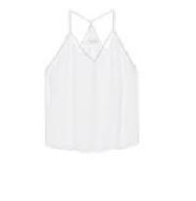 | TPD272W287D3770000_3032 | TOP | Clothing | RED | 100%VI | IT | € 355.00 | 1 |  |  |  |  |  |  |  |  |  | 1
 | TPD272W296D3800000_21 | TOP | Clothing | WHITE | 92%CO 8%SE | IT | € 360.00 | 1 |  |  |  |  |  |  |  |  |  |  |  |  |  |  |  |  |  | 1
 | TPD272W304I4070000_VR2 | TOP | Clothing | GREY | 57%AC 43%SE | IT | € 595.00 | 1 |  |  |  |  |  |  |  |  |  |  |  |  |  |  |  | 1
 | TPD272W292I4850000_VRU | TOP | Clothing | BLUE | 100%CO | IT | € 255.00 | 8 |  |  |  |  |  | 1 |  |  |  |  |  |  |  | 2 |  |  |  | 1 | 4
 | TPD272W301D3950000_6137 | TOP | Clothing | GREEN | 100% SE | IT | € 295.00 | 13 |  |  |  |  |  | 1 |  |  |  |  |  |  |  | 2 |  | 7 | 3
 | CTD272W256V5330000_8154 | TRENCH | Clothing | GREY | 88% WV 10% SE 2% PA | IT | € 1785.00 | 2 |  |  |  |  |  |  |  |  |  |  |  |  |  |  |  | 1 |  |  | 1
 | PAD272B871F7570000_825 | TROUSERS | Clothing | BLACK | 97% VI 3% LY | IT | € 520.00 | 2 |  |  |  |  |  |  |  |  |  |  |  |  |  |  |  |  | 1 | 1
 | PAD272W380D3790000_VR1 | TROUSERS | Clothing | WHITE | 99% CO 1% LI | IT | € 475.00 | 61 |  |  |  |  |  | 1 |  |  |  | 9 |  |  |  | 18 |  | 13 | 11 | 8 | 1
 | MAD272W047D2900000_2169 | VEST | Clothing | PINK | 100% CO | IT | € 360.00 | 8 |  |  |  |  |  |  |  |  |  |  |  |  |  | 5 |  | 1 | 1 | 1
 | BXD272B954F8800000_VR2 | NECKLACE | Accessories | GREY | 100%ME | IT | € 460.00 | 1 | 1
 | SAD272W438I5150000_VRU | SCARF | Accessories | WHITE | 100%SE | IT | € 195.00 | 1 | 1
 | BGD271W457F3350000_VR3 | SHOULDER BAG | Bags | RED | 100% LE | IT | € 495.00 | 1 | 1
 | AAD271W478F3350000_VR1 | LIPSTICK CASE | Lifestyle | GREY | 100% LE | IT | € 120.00 | 1 | 1
 | ASD271W589F4340000_VR1 | HEELS | Shoes | GREY | 100% LE | IT | € 440.00 | 1 |  |  |  |  |  |  |  |  |  |  | 1
 | ASD272W594I5750000_VRU | LOAFER | Shoes | BLUE | 100%CO|100%LE | IT | € 495.00 | 1 |  |  |  |  |  | 1
 | ASD272W595I5740000_VRU | LOAFER | Shoes | BEIGE | 100%LI|100% LE | IT | € 480.00 | 1 |  |  |  |  |  |  |  | 1
 | ASD272B980F9070000_VR1 | MULES | Shoes | BROWN | 100% LE | IT | € 560.00 | 1 |  |  |  |  |  | 1
 | ASD271B995C8250000_VR2 | SABOT | Shoes | BLACK | 100% LE | IT | € 420.00 | 1 |  |  |  |  |  |  |  | 1
 | ASD272W580I5760000_VR3 | SANDALS | Shoes | BLACK | 100% LE | IT | € 490.00 | 1 |  |  |  |  |  | 1
 | ASD272W580I5760000_VR7 | SANDALS | Shoes | GREEN | 100% LE | IT | € 490.00 | 1 |  |  |  |  |  |  |  |  |  |  |  |  |  | 1
 | ASD272W601I5810000_VR2 | SANDALS | Shoes | BROWN | 100% LE | IT | € 630.00 | 1 |  |  |  |  |  | 1
 | ASD272W597I5800000_VR2 | SLIP ON | Shoes | GREEN | 100% LE | IT | € 435.00 | 1 |  |  |  |  |  |  |  |  |  |  |  | 1
 | ASD272W597I5800000_VR1 | SLIPPERS | Shoes | ORANGE | 100% LE | IT | € 435.00 | 1 |  |  |  |  |  |  |  |  |  |  |  |  | 1
 | ASD272W597I5800000_VR4 | SLIPPERS | Shoes | WHITE | 100% LE | IT | € 435.00 | 1 |  |  |  |  |  |  |  |  |  |  |  |  |  |  | 1
 | ASD272B997F9010000_VRU | SNEAKERS | Shoes | BEIGE | 95%LI 5%PA|100% LE | IT | € 540.00 | 1 |  |  |  |  |  |  |  | 1
 | ASDP04W549X8900000_VR1P | SNEAKERS | Shoes | WHITE | 100% LE | IT | € 390.00 | 1 |  |  |  |  |  | 1
 | ASDP04W549X8900000_VR6 | SNEAKERS | Shoes | BROWN | 100% LE | IT | € 390.00 | 1 |  |  |  |  |  | 1
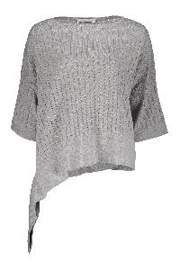 | MAD271W011V6110000_8116 | Asymmetric pullover | Clothing | grigio | 55%WV 40%CO 5%WS | IT | € 345.00 | 1 |  |  |  |  |  |  |  |  |  |  |  |  |  |  |  |  |  | 1
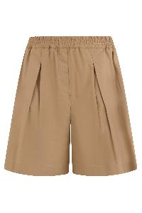 | PAD272W375I3280000_0134 | Beige Comfortable Shorts with Elastic and Style | Clothing | beige | 92% CO 8% SE | IT | € 280.00 | 6 |  |  |  |  |  |  |  |  |  |  |  |  |  |  |  |  | 4 | 2
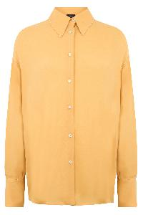 | CAD264F238D646M466_4030 | Beige Cotton Shirt Long Sleeves Elegant | Clothing | beige | 96% VI 4% EA | IT | € 720.00 | 13 |  |  |  |  |  |  |  |  |  |  |  |  |  | 7 |  | 1 | 2 | 1 | 2
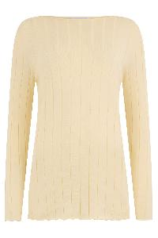 | MAD272W025D2900000_766 | Beige crew neck sweater, comfort and versatility. | Clothing | beige | 100% CO | IT | € 290.00 | 1 |  |  |  |  |  |  |  |  |  |  |  |  |  |  |  |  | 1
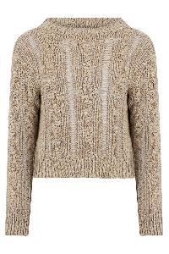 | MAD272W099I2470000_VR1 | Beige cropped sweater with elegant braids | Clothing | beige | 62% CO 25% LI 13% SE | IT | € 395.00 | 2 |  |  |  |  |  |  |  |  |  |  |  |  |  | 1 |  |  | 1
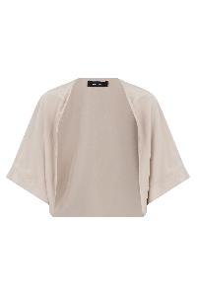 | CAD273B641I8050000_8175 | Beige elegant and versatile cape | Clothing | beige | 68% VI 32% SE | IT | € 450.00 | 41 |  |  |  |  |  |  |  |  |  | 4 |  |  |  | 13 |  | 12 | 9 | 1 | 2
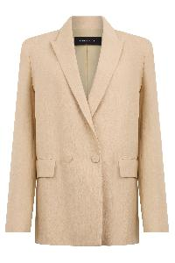 | GCD264F162D6300000_0144 | Beige Elegant Blazer for Versatile Comfort | Clothing | beige | 60% LI 26% VI 14% PL | IT | € 1450.00 | 10 |  |  |  |  |  |  |  |  |  | 1 |  |  |  | 2 |  | 3 | 3 | 1
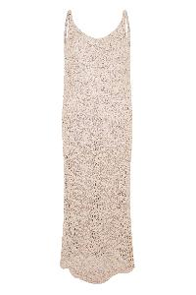 | ABD272W161D3660000_0111 | Beige elegant midi dress, versatile and fresh. | Clothing | beige | 100% CO | IT | € 590.00 | 1 |  |  |  |  |  |  |  |  |  |  |  |  |  |  |  |  | 1
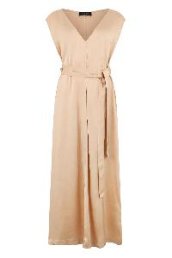 | ABD264F138D6230000_2186 | Beige long dress with V-neck | Clothing | beige | 100% VI | IT | € 990.00 | 13 |  |  |  |  |  | 1 |  |  |  |  |  |  |  | 4 |  | 3 | 4 | 1
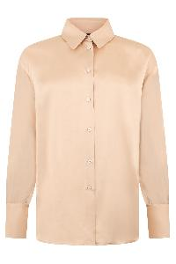 | CAD264F238D6230000_2186 | Beige long-sleeve shirt versatile and elegant | Clothing | beige | 100% VI | IT | € 690.00 | 3 |  |  |  |  |  |  |  |  |  |  |  |  |  | 1 |  |  | 2
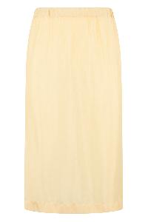 | GND264F292D6180000_769 | Beige midi skirt versatile for any occasion | Clothing | giallo | 50% VI 50% CU | IT | € 420.00 | 3 |  |  |  |  |  |  |  |  |  |  |  |  |  | 3
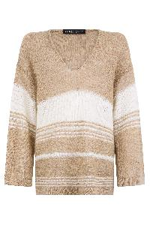 | MAD272B671F7130000_VR1 | Beige Sweater with Horizontal Stripes Elegant | Clothing | beige | 50% LI 50% WM | IT | € 510.00 | 1 |  |  |  |  |  |  |  |  |  |  |  |  |  | 1
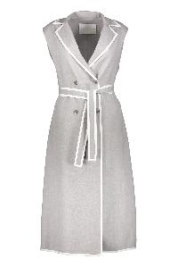 | CTD272W254I3730000_8149 | Belted long vest | Clothing | grigio | 88%WV 10%SE 2%PA | IT | € 1525.00 | 16 |  |  |  |  |  |  |  |  |  | 1 |  |  |  | 9 |  | 2 | 3 | 1
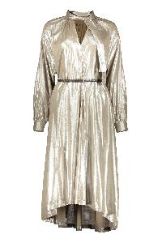 | ABD272W205D3930000_VRU | Belted waist dress | Clothing | beige | 100%VI | IT | € 740.00 | 22 |  |  |  |  |  |  |  |  |  | 3 |  |  |  | 9 |  | 8 | 2
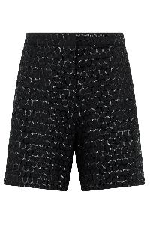 | PAD274F717H4810000_825 | Black Bermudas Geometric Pattern Summer Casual | Clothing | nero | 97% CO 3% EA | IT | € 1280.00 | 1 |  |  |  |  |  |  |  |  |  |  |  |  |  |  |  |  | 1
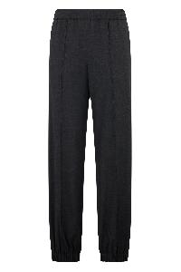 | PAD264F258D6200000_8180 | Black Cotton Pants Versatile and Comfortable | Clothing | nero | 75% WV 23% PA 2% EA | IT | € 520.00 | 5 |  |  |  |  |  |  |  |  |  |  |  |  |  | 5
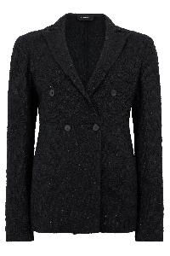 | GCD273B607I8230000_VR2 | Black Double Breasted Blazer Elegant and Versatile | Clothing | nero | 59% CO 30% PL 8% VI 3% PA | IT | € 870.00 | 1 |  |  |  |  |  |  |  |  |  |  |  |  |  | 1
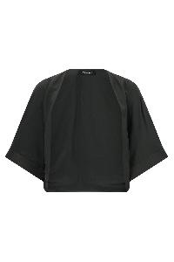 | CAD273B641I8050000_6148 | Black Elegant Top with Kimono Sleeves | Clothing | nero | 68% VI 32% SE | IT | € 450.00 | 1 |  |  |  |  |  |  |  |  |  |  |  |  |  | 1
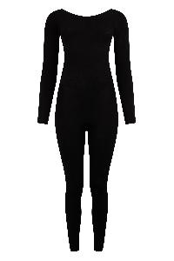 | ABD264F112D6550000_825 | Black jumpsuit with long sleeves. | Clothing | nero | 88% VI 12% PL | IT | € 570.00 | 5 |  |  |  |  |  |  |  |  |  |  |  |  |  | 3 |  |  | 1 |  | 1
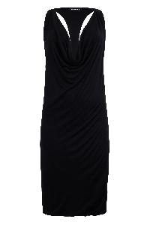 | ABD274F468D6860000_825 | Black knee dress with deep neckline elegant | Clothing | nero | 90% VI 10% SE | IT | € 420.00 | 1 |  |  |  |  |  |  |  |  |  |  |  |  |  | 1
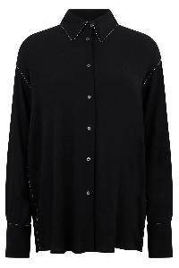 | CAD264F238D646M466_825 | Black oversized shirt with elegant collar | Clothing | nero | 96% VI 4% EA | IT | € 720.00 | 2 |  |  |  |  |  |  |  |  |  |  |  |  |  |  |  | 2
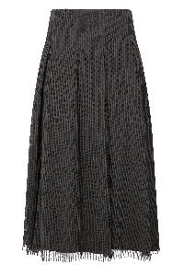 | GND272W418I4810000_VR2 | Black Pleated Midi Skirt for Every Occasion | Clothing | nero | 64% CO 36% PA | IT | € 655.00 | 2 |  |  |  |  |  |  |  |  |  |  |  |  |  | 1 |  | 1
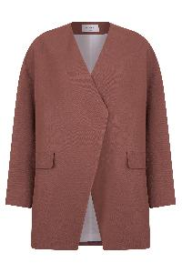 | GCD273W254H3850000_1245 | Blazer with a tailored cut, characterized by an elegant and structured silhouette. | Clothing | marrone | 64% VI 36% LI | IT | € 730.00 | 3 |  |  |  |  |  |  |  |  |  |  |  |  |  | 3
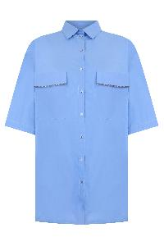 | CAD273W359D2520000_5135 | Blue Casual Shirt with Collar and Pockets | Clothing | azzurro | 100% CO | IT | € 425.00 | 2 |  |  |  |  |  |  |  |  |  |  |  |  |  | 1 |  | 1
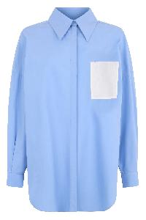 | CAD273W360H4200000_VR3 | Blue cotton shirt with classic collar | Clothing | azzurro | 100% CO | IT | € 450.00 | 2 |  |  |  |  |  |  |  |  |  |  |  |  |  | 2
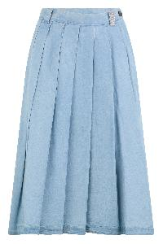 | GND273W451H3680000_VR1 | Blue pleated midi denim dress with belt | Clothing | denim | 100% CO | IT | € 550.00 | 5 |  |  |  |  |  |  |  |  |  |  |  |  |  | 5
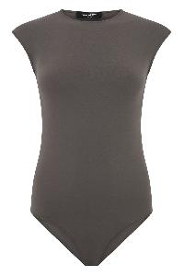 | JED274F424D6790000_8184 | Body without sleeves in soft versatile fabric | Clothing | tortora | 87% PA 13% EA | IT | € 340.00 | 12 |  |  |  |  |  |  |  |  |  |  |  |  |  | 6 |  | 3 | 3
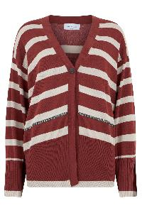 | MAD273W052H3050000_VR2 | Bordeaux cardigan with elegant white stripes | Clothing | bordeaux | 100% CO | IT | € 580.00 | 1 |  |  |  |  |  |  |  |  |  |  |  |  |  |  |  |  |  | 1
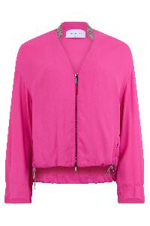 | GCD273W292D3770000_2178 | Bright Pink Sports Jacket Cropped Fit | Clothing | fucsia | 100% VI | IT | € 660.00 | 7 |  |  |  |  |  |  |  |  |  | 1 |  |  |  | 4 |  | 2
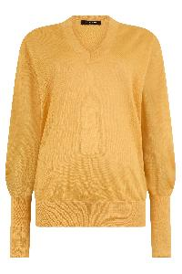 | MAD274F388D6640000_4030 | Bright yellow sweater with V-neck | Clothing | beige | 60% LI 40% SE | IT | € 680.00 | 1 |  |  |  |  |  |  |  |  |  |  |  |  |  |  |  |  | 1
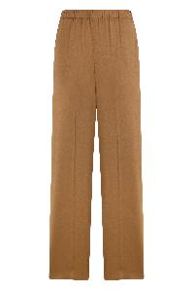 | PAD264F255D6460000_1255 | Brown classic pants, comfortable and versatile | Clothing | marrone | 96% VI 4% EA | IT | € 640.00 | 14 |  |  |  |  |  |  |  |  |  | 3 |  |  |  | 4 |  | 4 | 3
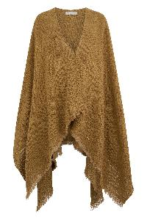 | SAD273A719H5000000_VR2 | Brown elegant, warm and versatile poncho | Clothing | marrone | 82% CO 17% LI 1% PL | IT | € 980.00 | 1 | 1
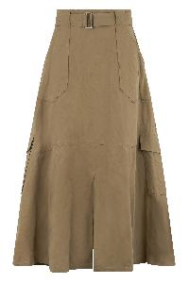 | GND273W457H3840000_0136 | Brown midi skirt with high waist elegant | Clothing | marrone | 92% CO 8% ME | IT | € 760.00 | 3 |  |  |  |  |  |  |  |  |  |  |  |  |  | 3
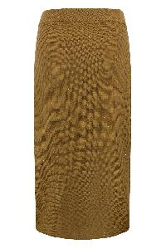 | GND273B685D2730000_6149 | Brown midi skirt, comfort and versatile style | Clothing | marrone | 61% CO 38% LI 1% PL | IT | € 560.00 | 4 |  |  |  |  |  |  |  |  |  |  |  |  |  | 4
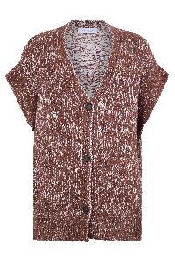 | MAD273W117H3360000_VR2 | Brown patterned cardigan with V-neck | Clothing | marrone | 50% LI 44% CO 6% PL | IT | € 490.00 | 1 |  |  |  |  |  |  |  |  |  |  |  |  |  |  |  |  |  |  | 1
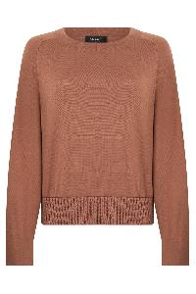 | MAD273B497I7580000_2177 | Brown Warm Casual and Versatile Sweater | Clothing | marrone | 55% SE 45% CO | IT | € 720.00 | 1 |  |  |  |  |  |  |  |  |  |  |  |  |  |  |  |  |  | 1
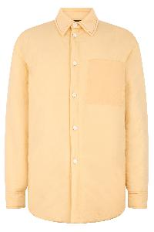 | CTD264F197D642M466_769 | Classic yellow shirt with modern pocket | Clothing | giallo | 100% PA | IT | € 900.00 | 4 |  |  |  |  |  |  |  |  |  |  |  |  |  | 4
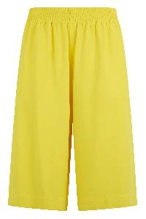 | PAD274F576H4650000_771 | Comfortable and Light Yellow Shorts | Clothing | giallo | 97% VI 3% EA | IT | € 490.00 | 2 |  |  |  |  |  |  |  |  |  | 1 |  |  |  |  |  |  | 1
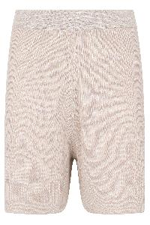 | PAD272W344I2260000_VR1 | Comfortable and Versatile Shorts for Summer | Clothing | ecru | 66% CO 26% VI 8% PL | IT | € 270.00 | 18 |  |  |  |  |  |  |  |  |  | 5 |  |  |  | 8 |  | 3 | 1 | 1
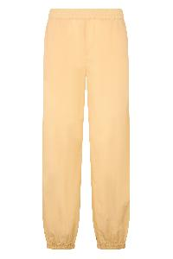 | PAD264F283D6420000_769 | Comfortable pants in light soft fabric | Clothing | beige | 100% PA | IT | € 440.00 | 2 |  |  |  |  |  |  |  |  |  |  |  |  |  | 2
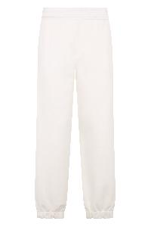 | PAD264F283I8740000_0142 | Comfortable pants in light soft fabric | Clothing | bianco | 100% CO | IT | € 480.00 | 17 |  |  |  |  |  | 1 |  |  |  | 1 |  |  |  | 9 |  | 2 | 4
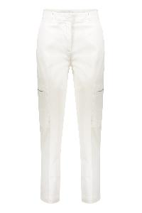 | PAD271W351F2860000_21 | Cotton cargo-trousers | Clothing | bianco | 97%CO 3%EA | IT | € 335.00 | 22 |  |  |  |  |  | 1 |  |  |  | 6 |  |  |  | 5 |  | 1 | 4 | 4 | 1
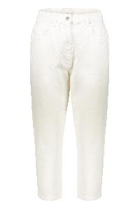 | PAD272W367I4470000_VR13 | Cotton cropped trousers | Clothing | bianco | 98%CO 2%EA | IT | € 260.00 | 12 |  |  |  |  |  |  |  |  |  | 5 |  |  |  | 4 |  | 2 |  | 1
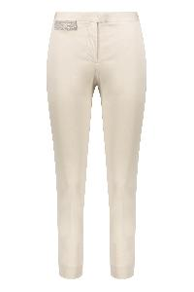 | PAD271W350F2860000_8154 | Cotton trousers | Clothing | avorio | 97%CO 3%EA | IT | € 275.00 | 6 |  |  |  |  |  |  |  |  |  |  |  |  |  | 1 |  |  |  | 4 | 1
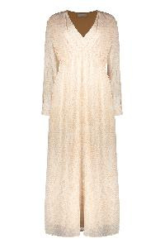 | ABD272W199I3360000_VRU | Crepe dress | Clothing | cipria | 74% CO 26% SE|82% PL 18% EA | IT | € 810.00 | 2 |  |  |  |  |  |  |  |  |  |  |  |  |  | 2
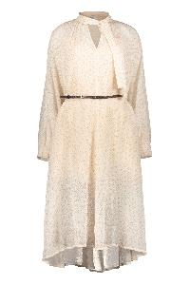 | ABD272W198I3360000_VRU | Crepe dress | Clothing | cipria | 74% CO 26% SE|82% PL 18% EA | IT | € 850.00 | 17 |  |  |  |  |  |  |  |  |  | 3 |  |  |  | 7 |  | 4 |  | 2 | 1
 | MAD272B669F7120000_VR1 | Crochet knit sweater | Clothing | avorio | 45%LI 29%WM 25%CO 1%PL | IT | € 840.00 | 19 |  | 1 | 10 | 7 | 1
 | SAD272B910V1120000_094 | Crop sweater ivory color with essential and modern design. | Clothing | avorio | 35% WM 35% WP 30% PA | IT | € 255.00 | 1 |  |  | 1
 | CAD264F241D6430000_5145 | Cropped Light Shirt | Clothing | blu | 57% CO 43% AC | IT | € 490.00 | 5 |  |  |  |  |  |  |  |  |  |  |  |  |  | 2 |  | 1 | 2
 | CAD264F241D6430000_8181 | Cropped Silver Shirt Wide Short Sleeves | Clothing | silver | 57% CO 43% AC | IT | € 490.00 | 2 |  |  |  |  |  |  |  |  |  |  |  |  |  | 2
 | ABD272W188I4850000_VRU | Dark blue dress with belt, minimal and versatile. | Clothing | blu | 100% CO | IT | € 420.00 | 5 |  |  |  |  |  |  |  |  |  |  |  |  |  | 1 |  |  |  | 2 | 1 | 1
 | PAD273W435D3770000_5131 | Dark Blue Lightweight Comfortable Shorts | Clothing | blu | 100% VI | IT | € 325.00 | 14 |  |  |  |  |  |  |  |  |  |  |  |  |  | 1 |  | 13
 | ABD264F128D6140000_5144 | Dark blue midi dress with buttons and adjustable belt. | Clothing | blu | 100% CO | IT | € 890.00 | 31 |  |  |  |  |  | 7 |  |  |  | 7 |  |  |  | 11 |  | 5 | 1
 | ABD272B734F7570000_5134 | Dark blue midi dress with square collar | Clothing | blu | 97% VI 3% LY | IT | € 645.00 | 2 |  |  |  |  |  |  |  |  |  |  |  |  |  |  |  | 2
 | MAD272W065D3250000_VR2 | Dark Gray Sweater with V-neck | Clothing | grigio melange | 52% ME 48% NY | IT | € 490.00 | 1 |  |  |  |  |  |  |  |  |  | 1
 | MAD273W095H3320000_6147 | Dark Green Modern Sweater and Versatile | Clothing | verde | 100% CO | IT | € 325.00 | 1 |  |  |  |  |  |  |  |  |  |  |  |  |  | 1
 | GCD272B755D4140000_075 | Double breasted blazer | Clothing | bianco | 100%LI | IT | € 765.00 | 2 |  |  |  |  |  |  |  |  |  |  |  |  |  |  |  | 2
 | PAD273W435V8860000_825 | Elegant and Comfortable Black Shorts | Clothing | nero | 100% LI | IT | € 340.00 | 1 |  |  |  |  |  |  |  |  |  |  |  |  |  | 1
 | ABD273W198V8860000_21 | Elegant and comfortable long white summer dress. | Clothing | bianco | 100% LI | IT | € 670.00 | 1 |  |  |  |  |  |  |  |  |  |  |  |  |  |  |  |  |  | 1
 | PAD264F247D6550000_6155 | Elegant and sustainable leggings, high waist versatile | Clothing | giallo | 88% VI 12% PL | IT | € 290.00 | 1 |  |  |  |  |  |  |  |  |  |  |  |  |  | 1
 | PAD264F247D6550000_8182 | Elegant and sustainable leggings, versatile high waist | Clothing | tortora | 88% VI 12% PL | IT | € 290.00 | 3 |  |  |  |  |  |  |  |  |  |  |  |  |  | 3
 | GND273B685D2730000_825 | Elegant and versatile black midi skirt, sizes available | Clothing | nero | 61% CO 38% LI 1% PL | IT | € 560.00 | 1 |  |  |  |  |  |  |  |  |  |  |  |  |  |  |  | 1
 | ABD272W183I4860000_2169 | Elegant and versatile light pink midi dress. | Clothing | rosa pallido | 74% AC 26% SE | IT | € 620.00 | 6 |  |  |  |  |  |  |  |  |  |  |  |  |  | 2 |  | 2 | 1 |  | 1
 | ABD273W223D3770000_5131 | Elegant and versatile long black dress. | Clothing | nero | 100% VI | IT | € 665.00 | 13 |  |  |  |  |  |  |  |  |  |  |  |  |  | 10 |  | 3
 | MAD272W081D3660000_0117 | Elegant and versatile long sleeve top | Clothing | bianco | 100% CO | IT | € 380.00 | 1 |  |  |  |  |  |  |  |  |  |  |  |  |  |  |  |  |  | 1
 | ABD273B738I8350000_VR1 | Elegant and versatile long white dress | Clothing | bianco | 100% LI | IT | € 750.00 | 1 |  |  |  |  |  |  |  |  |  |  |  |  |  | 1
 | GND273B689I8160000_25 | Elegant and versatile white pleated midi skirt | Clothing | bianco | 100% CO | IT | € 690.00 | 1 |  |  |  |  |  |  |  |  |  |  |  |  |  |  |  |  | 1
 | CAD272B826D3840000_0129 | Elegant beige dress with belt and buttons | Clothing | beige | 77% CO 23% PA | IT | € 445.00 | 1 |  |  |  |  |  |  |  |  |  |  |  |  |  | 1
 | PAD264F257D6470000_769 | Elegant Beige Fitted Trousers Slender Effect | Clothing | beige | 69% PL 30% VI 1% EA | IT | € 380.00 | 5 |  |  |  |  |  |  |  |  |  |  |  |  |  | 1 |  | 3 | 1
 | MAD272B652F7080000_VR1 | Elegant beige ivory sweater with V-neck | Clothing | beige | 35% WP 33% WM 30% PA 1% PL 1% ME | IT | € 825.00 | 1 |  |  |  |  |  |  |  |  |  |  |  |  |  |  |  |  | 1
 | ABD264F142D6230000_0145 | Elegant Beige Midi Dress with Thin Straps | Clothing | beige | 100% VI | IT | € 850.00 | 1 |  |  |  |  |  |  |  |  |  |  |  |  |  | 1
 | MAD273B518I7650000_825 | Elegant black cloak | Clothing | nero | 61% CO 38% LI 1% PL | IT | € 590.00 | 7 |  |  |  |  |  |  |  |  |  | 4 |  |  |  | 2 |  |  |  | 1
 | ABD272W193D3650000_825 | Elegant black midi dress with an elegant neckline. | Clothing | nero | 66% LI 32% CO 2% EA | IT | € 590.00 | 1 |  |  |  |  |  |  |  |  |  |  |  |  |  | 1
 | ABD272W200D3770000_825 | Elegant black midi dress with thin straps. | Clothing | nero | 100% VI | IT | € 490.00 | 1 |  |  |  |  |  |  |  |  |  |  |  |  |  | 1
 | CAD264F238D6460000_825 | Elegant black shirt with long sleeves versatile | Clothing | nero | 96% VI 4% EA | IT | € 620.00 | 2 |  |  |  |  |  |  |  |  |  |  |  |  |  |  |  |  |  | 2
 | CAD273B649I8050000_6148 | Elegant Black Top with V-neck | Clothing | nero | 68% VI 32% SE | IT | € 620.00 | 1 |  |  |  |  |  |  |  |  |  |  |  |  |  | 1
 | GND273B698I8150000_VRU | Elegant black tulle skirt | Clothing | nero | 100% PA | IT | € 480.00 | 1 |  |  |  |  |  |  |  |  |  |  |  |  |  |  |  |  |  | 1
 | PAD274F257H4630000_1255 | Elegant brown slim fit trousers comfortable | Clothing | beige | 97% CO 3% EA | IT | € 340.00 | 2 |  |  |  |  |  |  |  |  |  |  |  |  |  | 2
 | ABD264F140D5100000_5144 | Elegant dark blue dress with long sleeves versatile | Clothing | blu | 53% WV 47% CO | IT | € 650.00 | 34 |  |  |  |  |  |  |  |  |  | 3 |  |  |  | 12 |  | 10 | 5 | 4
 | GCD273B599I7960000_0137 | Elegant double-breasted blazer with puff sleeves | Clothing | bianco | 52% LI 48% SE | IT | € 890.00 | 5 |  |  |  |  |  |  |  |  |  |  |  |  |  |  |  | 1 | 3 | 1
 | MAD272B610N9000000_1239 | Elegant Double-Breasted Cardigan in Brown | Clothing | marrone | 100% WS | IT | € 695.00 | 2 |  |  |  |  |  |  |  |  |  |  |  |  |  | 2
...

